GTWCA
 |  |  | Sonoma Raceway |  |  |  |  |  |  |  |  | 
 |  |  | Provisional Entry List
 |  |  | Apr 5-7
 |  |  |  |  |  |  |  |  |  |  |  |  |  | Admin Checks
Series | Car # | Team | Driver 1 | NAT | LIC | CAT | Driver 2 | NAT | LIC | CAT | Car Sponsors | Car Make/Model | Championship | Admin Chk | Driver Chk | Technical | Dr 1 Gear | Dr1 Weight | Dr 2 Gear | Dr 2 Weight
GT World Challenge America | 123 | ACI Motorsports | Aaron Kaplan | IRL |  | Bronze | Aaron Povoledo | USA |  | Platinum |  | Acura NSX GT3 EVO22 | Pro
GT World Challenge America | 6 | K-Pax Racing | Kevin Kiermier | USA |  | Platinum | George Springer | USA |  | Bronze |  | Lamborghini Huarcan GT3 EVO | Pro-Am
GT World Challenge America | 55 | Turner Motorsports | Jose Bautista | USA |  | Bronze | Russell Martin | USA |  | Bronze |  | Porsche 992 GT3 R | Am

Car Count:

GR Cup
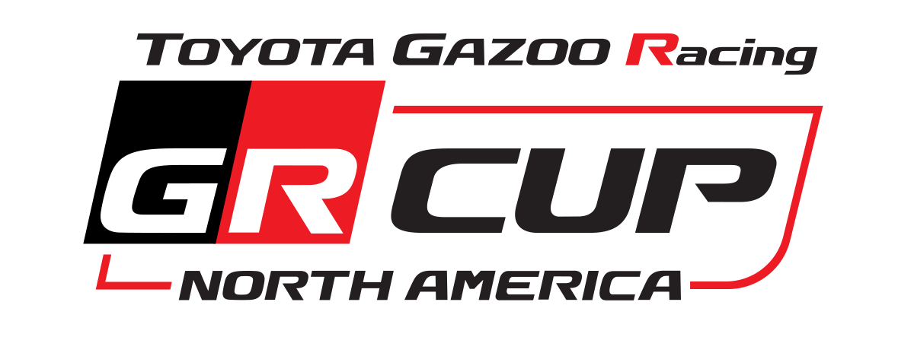 |  |  | Sonoma Raceway
 |  |  | Provisional Entry List
 |  |  | Apr 5-7

Series | Car # | Team | Driver 1 | NAT | Car Sponsors | Car Make/Model | Championship | Admin Chk | Driver Chk | Technical | Drv Gear | Drv Weight
Toyota GR Cup | 17 | Team Toyota Gazoo Racing | Shoehi Ohtani | JAP | Mustaches, BioSteel | Toyota GR86 | Am
Toyota GR Cup | 20 | Bringer of Rain Racing | Josh Donaldson | USA | Umbrellas | Toyota GR86 | Am

 |  |  |  |  |  | `

Total

